Cover Page
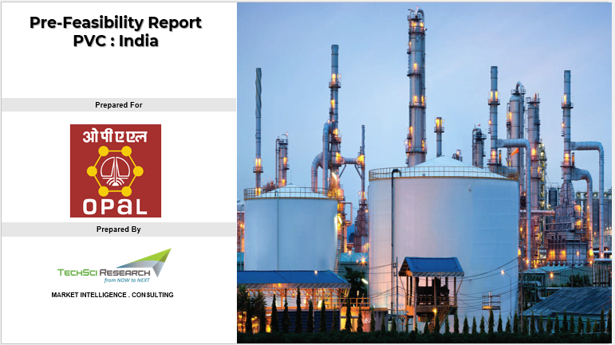

Dashboard
Financials
 | Operating Revenue | Total Operating Cost | Gross Margin (EBITDA/PBITDA) | Net Cash Flow
INR Cr | 4,180 | 3,212 | 968 | 968
Opex
 | MANUFACTURING COST | Raw materials | Catalyst & Chemicals | Labour | Variable Overheads | Fixed Overheads | Selling Overheads | Total Operating Cost
INR Crore | 2,770 | 2,529 | 111 | 25 | 144 | 73 | 107 | 2,877
Capex
 | INR Crore
TOTAL FIXED-CAPITAL INVESTMENT | 2,415
TOTAL DIRECT PLANT COST | 1,853
TOTAL INDIRECT PLANT COST | 563
WORKING CAPITAL | 63
TOTAL CAPITAL INVESTMENT | 4,428
 | INR Crore
Total Variable Cost | 2,779
Total Fixed Cost | 98
Capacity for 500 KTPA PVC Resin (EDC / VCM to PVC Plant (EDC / VCM Outsourced)
4,428 INR Cr
6,440 INR Cr
12.0%
5.1 Yrs
Payback (Yrs)
IRR
NPV
Total Investment
Total Capacity
3

 | Scenario 3
 | Raw materials | Tonne | INR / Tonne | Select Financial Year | 2029 | Annual Cost of Production
 | VCM | 500500 | 48300

Total Capital Investment |  |  |  | Operating Cost

